TEDB Edition 40
The average vehicle occupancy, calculated as person-miles per vehicle-mile, is highest for social and recreational purposes. The highest vehicle occupancy levels for all purposes were in 1977. The increase in number of vehicles per household and the decrease in average household size could have contributed to the decline since then.

Figure 9.2. Average Vehicle Occupancy by Trip Purpose, 1977 NPTS and 2009, 2017 NHTS
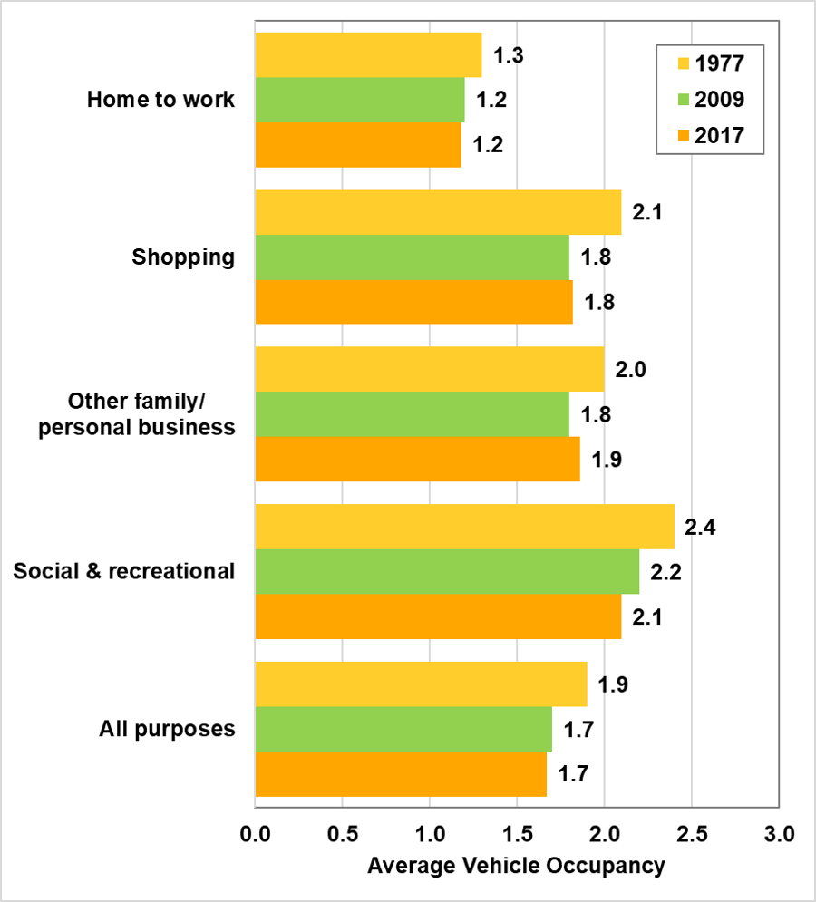

 | Persons per vehicle-mile
Trip Purpose | 1977 | 2009 | 2017
Home to Work | 1.3 | 1.2 | 1.2
Shopping | 2.1 | 1.8 | 1.8
Other Family or Personal Business | 2.0 | 1.8 | 1.9
Social and Recreation | 2.4 | 2.2 | 2.1
All Purposes | 1.9 | 1.7 | 1.7

Note: Average vehicle occupancy is mileage-weighted and only includes privately operated household vehicles. The “All purposes” category includes other purposes not shown above, such as trips to school, church, doctor, dentist, and work-related business.

Sources:
U.S. Department of Transportation, Federal Highway Administration, 1990 Nationwide Personal Transportation Survey: Summary of Travel Trends, FHWA-PL-92027, Washington, DC, March 1992, Figure 6. Data from 2009 and 2017 NHTS were generated from the 2017 National Household Travel Survey website nhts.ornl.gov. (Additional resources: www.fhwa.dot.gov, nhts.ornl.gov)

